Amcor - Brazil
 |  | Queries
 |  | Multiple categories on Column B and Column C ,
File Name : | 04. Amcor.xlsx | what are those ?
Sheet name | Resina | In which combinaton of Country x Supplier --- this will fall under ?
 |  |  |  | Need more help understanding the below |  |  |  | For a specific , Supplier + Resin Type + Index , what would be the TLC ? | Actual formuale as per the Excel for Brazil and Amcor ?
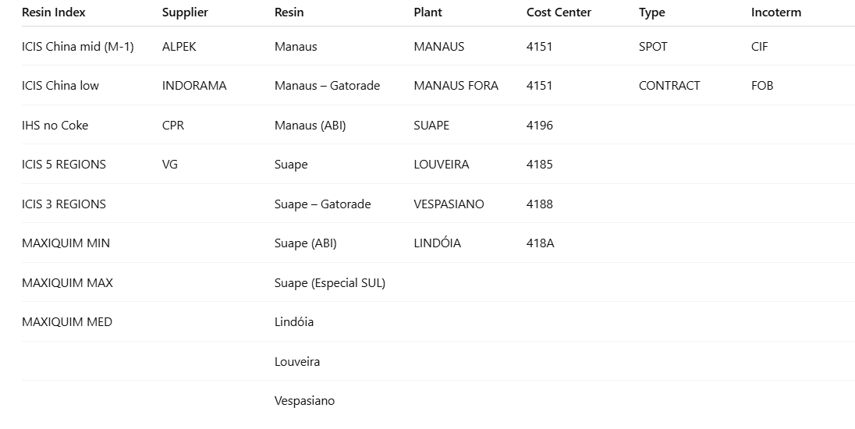
 |  |  |  |  |  |  |  | Scenario 1
 |  |  |  | 1. In the Resina , Core Pricing sheet we try to find for combination of Product/Supplier/ Plants / Market Index to calculate the final price | Our traditional CIF formulae works , but has a lot of combinations , across supplires , plants |  | which Resin Index to use ?
 |  |  |  | 2. Resin sheet is used to calculate the Total Landing Cost for Different Types of Resins , Suppliers and Resin Indexes
 |  |  |  | 3. Formulae mismtach between , what is there in the Resina sheet and what detailed in the formulae ?
 |  |  |  | 3. Pricing sheets are calculated at specific granularity in the Monthly sheets like "MAR'26 , APR'26 , at specific stages like "Preforma / Garraga"
 |  |  |  | 4. How are the other sheets used in the calculation ? How is this sheet used in the calculation ? |  | Monthly sheet calculation
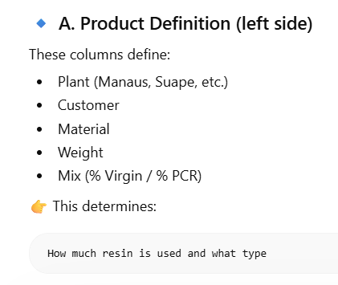
 |  |  |  | Indexadores |  |  |  |  |  | Index | 1111.25
 |  |  |  | BD Conv |  |  |  |  |  | Freight | 124.22
 |  |  |  | Carga |  |  |  |  |  | Duties | 257
 |  |  |  | Check |  |  |  |  |  | Others | 167
 |  |  | 5 | 5.which Specific combination we need to consider ? |  |  |  |  |  | TLC | 1659.47
 |  |  |  | 6. what is the link between Resina sheet and MAR'26 sheet ?

BD Conv
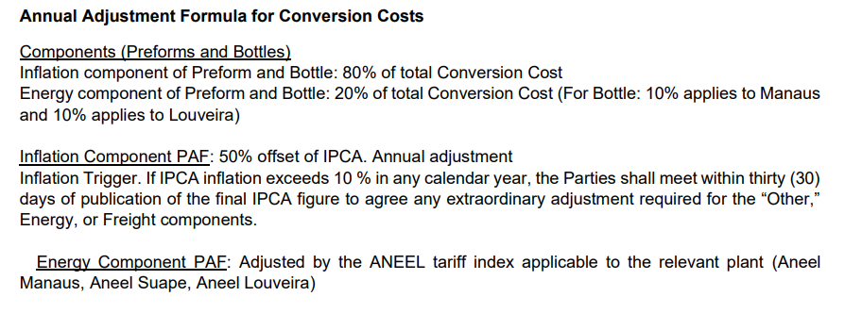
 |  |  |  |  |  |  | PREFORM |  | BOTTLE
 |  | Amcor Production | Grammage | SKU | Price (including CF) |  | Conversion | Depreciation | Conversion | Depreciation
LOUVEIRA25,5Preforma | Preforma | LOUVEIRA | 25.5g | Gatorade 500ml | BRL 74 | 25.5 | 74.00
MANAUS25,5Preforma | Preforma | MANAUS | 25.5g | Gatorade | BRL 74 | 25.5 | 74.00 | 24.90
MANAUS38Preforma | Preforma | MANAUS | 38g | CSD 1.5Lts | BRL 71.4 | 38 | 71.40
MANAUS39,7Preforma | Preforma | MANAUS | 39.7g | CSD 2Lts | BRL 71.4 | 39.7 | 71.40
MANAUS20,6Preforma | Preforma | MANAUS | 20,6g | sem contrato | BRL 78,86 | 20.6 | 78.86
MANAUS29,5Preforma | Preforma | MANAUS | 29,5g | sem contrato | BRL 83,29 | 29.5 | 83.29
SUAPE38Preforma | Preforma | SUAPE | 38g | CSD 1.5Lts | BRL 66.5 | 38 | 66.50
SUAPE39,7Preforma | Preforma | SUAPE | 39.7g | CSD 2Lts |  | 39.7 | 66.50
SUAPE55,6Preforma | Preforma | SUAPE | 55.6g | CSD 3Lts | BRL 102.7 | 55.6 | 102.70
SUAPE20,6Preforma | Preforma | SUAPE | 20.6 | CSD 600ml | BRL 61.8 | 20.6 | 61.80
Louveira25,5Garrafa | Garrafa | Louveira | 25.5g | Gatorade 500ml | BRL 157.4 | 25.5 | 74.00 |  | 83.40 | 7.30

 |  | Fornecedor |  | % Conversion Cost IPCA | % Conversion Cost Energy
 |  | MANAUS | PREFORM | 80% | 20%
 |  | SUAPE | PREFORM | 80% | 20%
 |  | LOUVEIRA | PREFORM and BOTTLE | 80% | 20%

